Sheet1
MARKET STUDY DATA FOR ROTARY WING DRONES

UAS |  | Max speed (hor m/s) | Max speed (ver m/s) | Max wind resist. (m/s) | Transm. Range (km) | Ceiling (m) | Endurance (hours) | Endurance (km) | ATOL* capable | MTOM (kg) | Profile Cd0 | Wing Type | Propulsion | Operation Type | Autopilot | Industry | Op. category EASA
DJI Mini 2 |  | 16 | 5/-3.5 | 10.5 | - | 4000 | 0.51666666667 | 15.7 | YES | 0.242 |  | Quadcopter | Electric-Prop | LOS/EVLOS | YES | Consumer | C0
DJI Mini 4 Pro |  | 16 | 5/-5 | 10.7 | - | 4000 | 0.56666666667 | 18 | YES | 0.249 |  | Quadcopter | Electric-Prop | LOS/EVLOS | YES | Consumer | C0/C1
DJI Mavic 3 Pro |  | 19 | 8/-6 | 12 | - | 6000 | 0.71666666667 | 28 | YES | 0.9605 |  | Quadcopter | Electric-Prop | LOS/EVLOS | YES | Consumer | C2
DJI Air 3 |  | 19 | 10/-10 | 12 | - | 6000 | 0.76666666667 | 32 | YES | 0.72 |  | Quadcopter | Electric-Prop | LOS/EVLOS | YES | Consumer | C1
DJI Mini 3 |  | 16 | 5/-3.5 | 10.7 | - | 4000 | 0.63333333333 | 18 | YES | 0.249 |  | Quadcopter | Electric-Prop | LOS/EVLOS | YES | Consumer | C0
DJI Mavic 3 |  | 19 | 8/-6 | 12 | - | 6000 | 0.76666666667 | 30 | YES | 0.897 |  | Quadcopter | Electric-Prop | LOS/EVLOS | YES | Consumer | C1
DJI Mavic 3 Classic |  | 19 | 8/-6 | 12 | - | 6000 | 0.76666666667 | 30 | YES | 0.895 |  | Quadcopter | Electric-Prop | LOS/EVLOS | YES | Consumer | C1
DJI Mini 2 Se |  | 16 | 5/-3.5 | 10.7 | - | 4000 | 0.51666666667 | - | YES | 0.246 |  | Quadcopter | Electric-Prop | LOS/EVLOS | YES | Consumer | C0
DJI Mini 3 Pro |  | 16 | 5/-5 | 12 | - | 4000 | 0.56666666667 | 18/25 | YES | 0.249 |  | Quadcopter | Electric-Prop | LOS/EVLOS | YES | Consumer | C0
DJI Mini Se |  | 13 | 4/-3 | 10.7 | - | 3000 | 0.5 | - | YES | 0.249 |  | Quadcopter | Electric-Prop | LOS/EVLOS | YES | Consumer | C0
DJI Air 2S |  | 19 | 6/-6 | 10.7 | - | 5000 | 0.51666666667 | 18.5 | YES | 0.595 |  | Quadcopter | Electric-Prop | LOS/EVLOS | YES | Consumer | C1
DJI Mavic Air 2 |  | 19 | 4/-5 | 10.7 | - | 5000 | 0.56666666667 | 18.5 | YES | 0.57 |  | Quadcopter | Electric-Prop | LOS/EVLOS | YES | Consumer | C1
DJI Mavic 2 Pro |  | 20 | 5/-3 | 10.7 | - | 6000 | 0.51666666667 | 18 | YES | 0.907 |  | Quadcopter | Electric-Prop | LOS/EVLOS | YES | Consumer | C2
DJI Mavic 2 Zoom |  | 20 | 5/-3 | 10.7 | - | 6000 | 0.51666666667 | 18 | YES | 0.905 |  | Quadcopter | Electric-Prop | LOS/EVLOS | YES | Consumer | C2
DJI Phantom 4 Adv |  | 20 | 6/-4 | 9.4444444444 | - | 6000 | 0.5 | - | YES | 1.368 |  | Quadcopter | Electric-Prop | LOS/EVLOS | YES | Consumer | C2
DJI Phantom 4 Pro V2 |  | 20 | 6/-4 | 10 | - | 6000 | 0.5 | - | YES | 1.375 |  | Quadcopter | Electric-Prop | LOS/EVLOS | YES | Consumer | C2
Potensic ATOM SE |  | 16 | 5/-4 | 10.555555556 | 4 | - | 0.51666666667 | - | YES | 0.249 |  | Quadcopter | Electric-Prop | LOS/EVLOS | YES | Consumer | C0
Potensic ATOM |  | 16 | 5/-4 | 10.555555556 | 6 | 120 | 0.53333333333 | - | YES | 0.249 |  | Quadcopter | Electric-Prop | LOS/EVLOS | YES | Consumer | C0
Parrot ANAFI Ai |  | 17/16 | 4/-3 | 14 | - | 5000 | 0.53333333333 | 22.5 | YES | 0.898 |  | Quadcopter | Electric-Prop | LOS/EVLOS | YES | Professional | C1

* Automatic Take-Off and Landing

 | : Maximum take-off altitude used interchangeably with ceiling
 | : Speed restriction imposed by EASA standards
 | : Upgrade possible
 | : EASA category not confirmed due to the Drone being manufactured before 01/01/2024 (or not being officialy certified)
 | : Front/Backward (or lateral) speeds

DATA SOURCES AND SELECTION

 | Key Europe Commercial Drone Companies: ▸ ESA Space Solutions ▸ ModalAl ▸ DJI ▸ Griff Aviation ▸ Autel Robotics ▸ EHang ▸ Intel Corporation ▸ Parrot Drone SAS ▸ Potensic ▸ Elistair ▸ Airmedia360 ▸ Flyability ▸ Delair. ▸ Field ▸ AIRBUS ▸ Dronevolt ▸General Atomics

 |  |  |  |  | Independent market research from retail websites such as amazon italy, spain, uk and germany show the dominance of DJI in the market as the best seller across Europe.
 |  |  |  |  | The size of the rotary wing drone market eclipses the fixed wing market hence requiring a separate table for fixed wing drones.

 | Click to open source

MARKET STUDY DATA FOR FIXED WING DRONES

UAS |  | Cruise speed (m/s) | Max speed (m/s) | Max wind resist. (m/s) | Transm. Range (km) | Ceiling (m) | Endurance (hours) | Endurance (km) | ATOL* capable | MTOM(kg) | Wing Type | Aspect Ratio | Wing Area | Wingspan | Propulsion | Operation Type | Autopilot | Industry | Cd0 | e
Aeromau VT-NAUT |  | 15.277777778 | 23.611111111 | 9.7222222222 | 30 | 4000 | 1.5 |  |  | 3.6 | Fixed | 4.3 | 5 |  |  |  |  |  | 0.037 | 0.71
Cessna 172 |  |  |  |  |  | 1219.2 | 1.5 |  |  | 757 |  | 6.7 | 15 |  |  |  |  |  | 0.037 | 0.72

 |  |  |  |  |  |  |  |  |  |  |  |  |  |  | Example studied for the program intialization

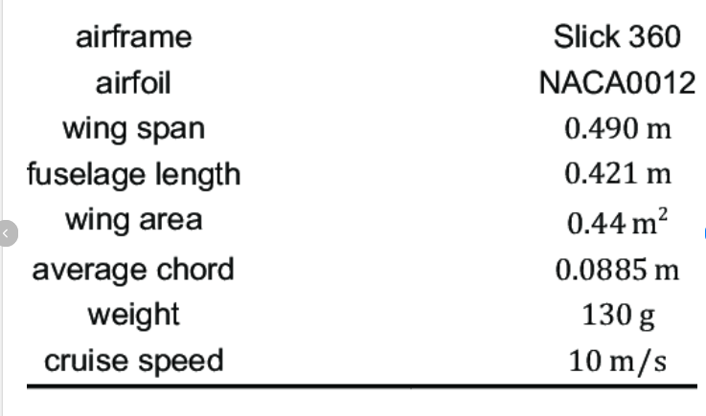
Additional notes :
Some relevant data could not be retrieved for each airframe and will have to be arbitrated such as the oswald efficiency coefficient (0.7-0.85).

